Sheet1
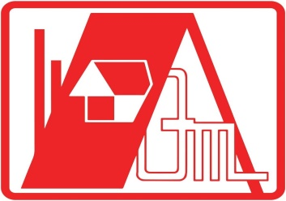
 | QM BUILDERS
 | EQUIPMENT AND MACHINERIES DEPARTMENT
FUEL REQUISITION SLIP
NO. | CONTROL # | DATE | LOCATION | RECEIVED BY: | SIGNATURE
101 | 90001-90050
102 | 90051-90100
103 | 90101-90150
104 | 90151-90200
105 | 90201-90250
106 | 90251-90300
107 | 90301-90350
108 | 90351-90400
109 | 90401-90450
110 | 90451-90500
111 | 90501-90550
112 | 90551-90600
113 | 90601-90650
114 | 90651-90700
115 | 90701-90750
116 | 90751-90800
117 | 90801-90850
118 | 90851-90900
119 | 90901-90950
120 | 90951-91000
121 | 91001-91050
122 | 91051-91100
123 | 91101-91150
124 | 91151-91200
125 | 91201-91250

PREPARED BY:

